Sheet1
 |  |  |  |  |  | Mathematically |  | Scale (1-10) |  |  |  | Condition: Credit origination and disbursement is below budget by 30% in Q4
 |  |  |  |  |  |  | High risk | >5 |  |  |  | Criteria: Target credit portfolio BY Q4 is 100m
 |  |  |  |  |  |  | Moderate | 2 to 5 |  |  |  | Probability of occurrence: (0-1) |  |  | 0.8
 |  |  |  |  |  |  | Low risk | <2 |  |  |  | Consequence (if it's financial loss, it will be on a scale (1-10): |  |  | 3
 |  |  |  |  |  |  |  |  |  |  |  | Risk Score |  |  | 2.4
 |  |  |  |  |  |  |  |  |  |  |  | Cause and root cause:
 |  |  |  |  |  |  |  |  |  |  |  | Corrective action (Recommendation):
 |  |  | Y -axis
 |  | Likelihood / probability
 |  |  | High | 1
 |  |  |  | 0.9
 |  |  |  | 0.8 |  |  | Risk A. 2.4
 |  |  |  | 0.7
 |  |  |  | 0.6
 |  |  | Moderate | 0.5
 |  |  |  | 0.4
 |  |  |  | 0.3
 |  |  | Low | 0.2
 |  |  |  | 0.1
 |  |  |  | 0 | 1 | 2 | 3 | 4 | 5 | 6 | 7 | 8 | 9 | 10
 |  |  |  |  |  |  | X-Axis Impact / consequence
 |  |  |  |  | Low |  | Moderate |  |  | High

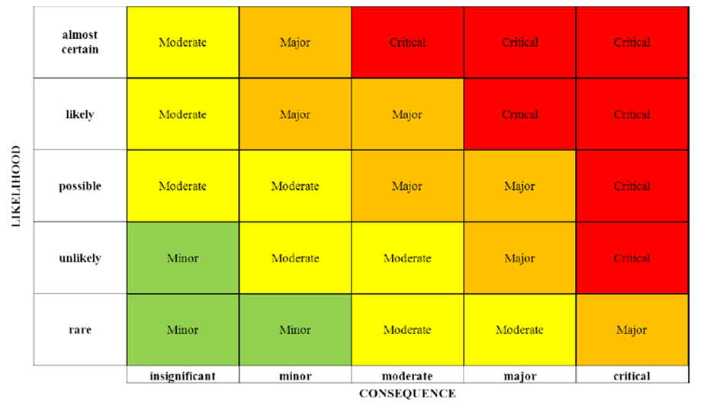

ISA 315 | Risk asssessment process:
 | 1) Identifying the likely risks of material misstatement
 | 2) Estimate the likelihood of occurrence (probability)
 | 3) Estimate the likely impact / consequence of the risk (financial loss, reaction of stakeholders, missed opportunities etc)
 | 4) Take action by conducting the audit to confirm the presence or absence of the risk

 | Indentify the likely risks through conducting a preliminary risk assessment using audit procedures

1) | Analytical procedures (Comparison)
 |  | Compare the actual performance with the budgeted amounts
 |  | Compare the actual performance with previous performance
 |  | Compare the ratios for the current period with the previous period and industry average
 |  | Compare the the performance per branch
 |  | Analyse the separate ledgers / accounts to identify unusual transactions
 |  | Reasonableness tests: compare the auditee's financial / non-financial information with the expected
 | From analytics/comparisons we indentify areas with huge / significant changes / (increases / decreases)

 |  |  | Revenue | 2025 | 2024 | 2023 | 2022 | 2021 | 2020
 |  |  |  | 80m | 200m | 180m | 190m | 100m | 90m
 |  |  | Examine the sharp increases and decreases
2 | Enquiries/inquiries from the management team of the auditee
 |  | Inquire from the treasury manager and the head of business on the causes for sharp decline in revenue in 2025
3 | External confirmations / circularisations
 |  | Write to the external persons / third parties
 |  | Write to the receivables to confirm the reasons for non-repayment of their loans (arrears)
4 | Inspection of documents
 |  | Review the previous audit reports and the implementation status of the recommednations
 |  |  | Pending implementation of recommendations shows that the risk is still ongoing
 |  | Review the internal audit reports, regulator inspection reports, management reporst, board minutes etc
 |  | Agree source documents with accounting records (Journals and Ledgers) and financial statements
5 | Inspection of assets
 |  | Matching/agreeing the documents with the physical assets
6 | Observations
7 | Recalculate
8 | Reperformance

NB | The risk heat map shows all the risky areas (high, moderate and low risks)
 | From the risk heat map the auditor can select the auditable areas which forms the audit universe. The audit universe will be derived from the risk based audit approach.

